Data w-Python
Education | Income | Rand | Ed Level | Mean | Std Dev
Masters Grad | $117,451 | 0.40091558368 | Masters Grad | 130,000 | 50,000
College Grad | $110,277 | 0.69389612807 | College Grad | 90,000 | 40,000
HS Grad | $15,682 | 0.16198047436 | HS Grad | 65,000 | 50,000
Masters Grad | $96,551 | 0.25175188812
College Grad | $74,222 | 0.34662267175
HS Grad | $65,452 | 0.50360475222
Masters Grad | $178,201 | 0.83248186282
College Grad | $79,417 | 0.39567063452
HS Grad | $64,551 | 0.49642037614
Masters Grad | $58,805 | 0.077238304011
College Grad | $74,975 | 0.35360194654
HS Grad | $152,072 | 0.95919697247
Masters Grad | $122,819 | 0.44289892585
College Grad | $135,293 | 0.87125086018
HS Grad | $25,710 | 0.21599340781
Masters Grad | $190,080 | 0.88524007059
College Grad | $95,062 | 0.55034759158
HS Grad | $37,139 | 0.28868532871
Masters Grad | $89,154 | 0.20698978673
College Grad | $75,267 | 0.35631216784 |  |  |  | 0
HS Grad | $20,979 | 0.18931678384
Masters Grad | $165,061 | 0.75841722871
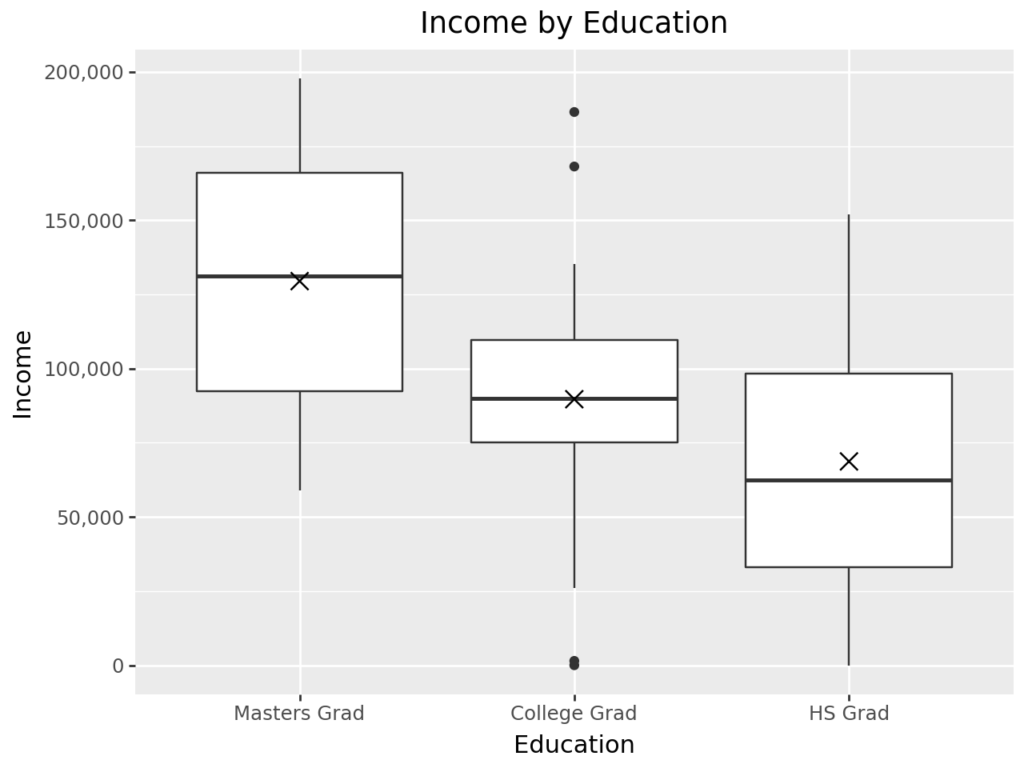
College Grad | $90,275 | 0.50274446925
HS Grad | $77,046 | 0.59518843103
Masters Grad | $169,912 | 0.78763526948
College Grad | $44,627 | 0.12833057063
HS Grad | $71,563 | 0.55221705062
Masters Grad | $167,194 | 0.77152796604
College Grad | $105,423 | 0.65009557632
HS Grad | $122,094 | 0.87324940791
Masters Grad | $91,277 | 0.21932822186
College Grad | $106,941 | 0.6640463239
HS Grad | $55,632 | 0.42569199921
Masters Grad | $138,678 | 0.56889382262
College Grad | $54,198 | 0.18538122835
HS Grad | $99,700 | 0.75615717869
Masters Grad | $78,107 | 0.14966913635
College Grad | $77,264 | 0.37509228183
HS Grad | $133,101 | 0.91340278135
Masters Grad | $89,601 | 0.20955218101
College Grad | $26,124 | 0.055142656441
HS Grad | $87,986 | 0.67714489305
Masters Grad | $197,734 | 0.91224021768
College Grad | $122,191 | 0.7895273346
HS Grad | $93,991 | 0.71898104085
Masters Grad | $100,157 | 0.27529989103
College Grad | $97,017 | 0.5696294229
HS Grad | $123,335 | 0.87833312904
Masters Grad | $162,029 | 0.73910285094
College Grad | $168,105 | 0.97456748476
HS Grad | $127,036 | 0.89264676701
Masters Grad | $119,399 | 0.4160446852
College Grad | $117,917 | 0.75738556309
HS Grad | $57,655 | 0.44160940377
Masters Grad | $183,785 | 0.85896994134
College Grad | $186,476 | 0.99206518115
HS Grad | $0 | 0.03560589321
Masters Grad | $72,918 | 0.12680082053
College Grad | $0 | 0.0097037316057
HS Grad | $29,953 | 0.24166781552
Masters Grad | $131,768 | 0.51410727804
College Grad | $115,828 | 0.74076561808
HS Grad | $50,553 | 0.38631650212
Masters Grad | $130,645 | 0.50514223036
College Grad | $97,551 | 0.5748614278
HS Grad | $4,106 | 0.11163395912
Masters Grad | $154,337 | 0.68678070283
College Grad | $116,665 | 0.74749464599
HS Grad | $89,771 | 0.68984761079
Masters Grad | $147,417 | 0.63620676579
College Grad | $86,269 | 0.46284146915
HS Grad | $47,000 | 0.35942043794
Masters Grad | $75,544 | 0.13805099874
College Grad | $82,414 | 0.42479328345
HS Grad | $63,683 | 0.48949275718
Masters Grad | $81,432 | 0.16568695748
College Grad | $89,627 | 0.49628178708
HS Grad | $43,933 | 0.33675533515
Masters Grad | $95,430 | 0.2446583472
College Grad | $73,521 | 0.34018134948
HS Grad | $61,335 | 0.47078361525
Masters Grad | $102,226 | 0.2892814818
College Grad | $108,044 | 0.67404547891
HS Grad | $32,849 | 0.26010653697
Masters Grad | $77,717 | 0.14785692645
College Grad | $87,170 | 0.47180086966
HS Grad | $148,714 | 0.95296282381
Masters Grad | $133,813 | 0.5303954354
College Grad | $77,440 | 0.37676072818
HS Grad | $5,945 | 0.1187830743
Masters Grad | $180,556 | 0.84402112573
College Grad | $53,038 | 0.17772757102
HS Grad | $149,685 | 0.95483882841
Masters Grad | $146,497 | 0.62927363239
College Grad | $1,467 | 0.013437220824
HS Grad | $139,478 | 0.93182952287
Masters Grad | $189,579 | 0.88328749302
College Grad | $119,276 | 0.76788745377
HS Grad | $4,241 | 0.11214944057
Masters Grad | $166,390 | 0.76663004526
College Grad | $99,423 | 0.59311697947
HS Grad | $33,837 | 0.26655468194

